Scenarios
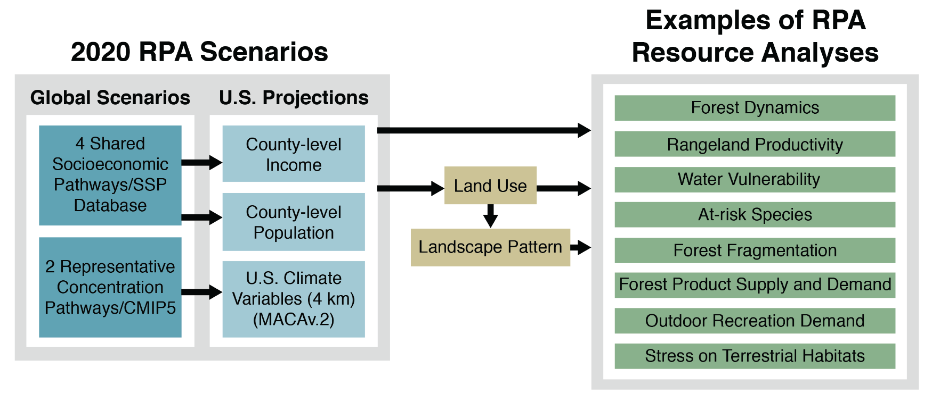
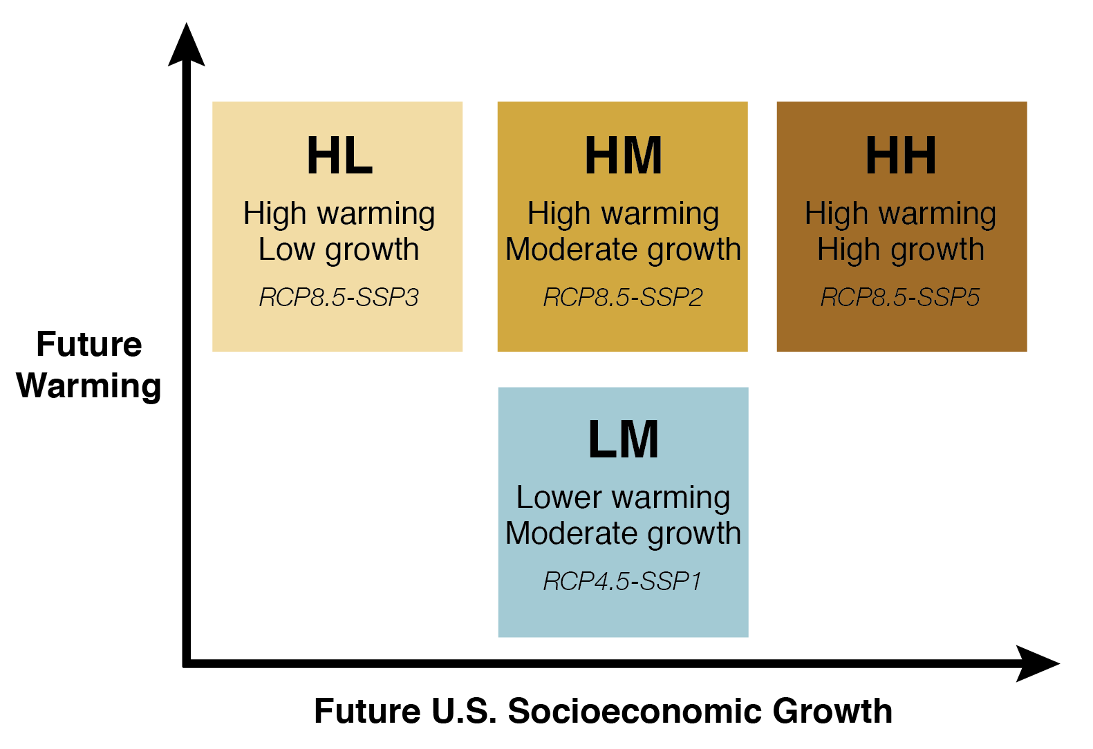
2020 RPA Scenarios
The 2020 RPA Assessment scenarios are based on four socioeconomic scenarios and two climate scenarios from the Fifth IPCC Assessment. The socioeconomic scenarios are tied to Shared Socioeconomic Pathways (SSPs) and the two climate scenarios are tied to the Representative Concentration Pathways (RCPs). The combination of socioeconomic and climate futures are depicted as 2020 RPA Scenarios LM, HL, HM, and HH. For each of the socioeconomic-climate scenario pairings there are five climate projections to represent the range of change in climate variables. Therefore, a total of 20 future outcomes are possible if both socioeconomic and climate projections are used. As with 2010 RPA scenarios, RPA resource projections may rely on the socioeconomic projections, the climate projections, or both.
RPA LM | This scenario pairs lower levels of global GHG emissions (L) with moderate levels of U.S. population and economic growth (M).
RPA HL | This scenario pairs high levels of global GHG emissions (H) with low levels of U.S. population and economic growth (L).
RPA HM | This scenario pairs high levels of global GHG emissions (H) with moderate levels of U.S. population and economic growth (M).
RPA HH | This scenario pairs high levels of global GHG emissions (H) with high levels of U.S. population and economic growth (H).
Reference | Langner, Linda L.; Joyce, Linda A.; Wear, David N.; Prestemon, Jeffrey P.; Coulson, David; O'Dea, Claire B. 2020. Future scenarios: A technical document supporting the USDA Forest Service 2020 RPA Assessment. Gen. Tech. Rep. RMRS-GTR-412. Fort Collins, CO: U.S. Department of Agriculture, Forest Service, Rocky Mountain Research Station. 34 p. https://doi.org/10.2737/RMRS-GTR-412
2020 RPA Socioeconomic Scenarios
Five gobal SSPs were developed to describe potential future pathways of global social and economic change (O'Neill et al. 2017). The 2020 RPA Assessment used four of the five SSPs to develop national scenarios that include county-level projections of population, income, and associated land use change. The choice of SSPs is documented in [GTR in process]; the methods to downscale the SSP population and income data to US county-level scale is documented in Wear and Prestemon (2019).
SSP1 | This scenario has a medium level of U.S. population and economic growth, while global population growth is low.
SSP2 | This scenario has a medium levels of both U.S. and global population and economic growth.
SSP3 | This scenario has low levels of U.S.and global economic growth, low U.S. population and high global populaton growth.
SSP5 | This scenario has a high level of U.S. and global economic growth, high U.S. population growth and low global population growth.
References | O’Neill, B.C.; Kriegler, E.; Ebi, K.L.; et al. 2017. The roads ahead: narratives for shared socioeconomic pathways describing world futures in the 21st century. Global Environmental Change. 42:169-180. http://dx.doi.org/10.1016/j.gloenvcha.2015.01.004 Wear, D.N., Prestemon, J.P. 2019. Spatiotemporal downscaling of global population and income scenarios for the United States. PLoS ONE 14(7): e0219242. https://doi.org/10.1371/journal.pone.0219242
2020 RPA Climate Projections/Scenarios
The Fifth IPCC Assessment developed four RCPs to capture a plausible range of GHG emission-driven change in global climate variables. The 2020 RPA Assessment is based on two of the RCPs to represent the range of change associated with moderate to high levels of GHG emissions (RCP4.5 and RCP8.5). For each of the two RCPs, five global climate models (listed below) were chosen to represent the range of variation in temperature and precipitation that could occur, consistent with each of the RCPs. Downscaled projections for the conterminous U.S. for these five models for RCP 4.5 and RPC 8.5 are being used to evaluate climate change effects, resulting in 10 climate projections.
hadgem2_es365 | Model that projects hottest national future (Met Office Hadley Center, UK)
mri_cgcm3 | Model that projects least hot (warmest) national future (Meteorological Research Institute, Japan)
cnrm_cm5 | Model that projects wettest national future (National Centre of Meteorological Research, France)
ipsl_cm5a_mr | Model that projects driest national future (Institut Pierre Simon Laplace, France)
noresm1_m | Model that projects temperature and precipitation future closest to average across models (Norwegian Climate Center, Norway)
References | Joyce, Linda A.; Coulson, David. 2020. Climate Scenarios and Projections: A technical document supporting the USDA Forest Service 2020 RPA Assessment. Gen. Tech. Rep. RMRS-GTR-413. Fort Collins, CO: U.S. Department of Agriculture, Forest Service, Rocky Mountain Research Station. 85 p. https://doi.org/10.2737/RMRS-GTR-413 Joyce, Linda A.; Abatzoglou, John T.; Coulson, David P. 2018. Climate data for RPA 2020 Assessment: MACAv2 (METDATA) historical modeled (1950-2005) and future (2006-2099) projections for the conterminous United States at the 1/24 degree grid scale. Fort Collins, CO: Forest Service Research Data Archive. https://doi.org/10.2737/RDS-2018-0014 Coulson, David P.; Joyce, Linda A. 2020. RPA Historical observational data (1979-2015) for the conterminous United States at the 1/24 degree grid scale based on MACA training data (METDATA). 2nd Edition. Fort Collins, CO: Forest Service Research Data Archive. https://doi.org/10.2737/RDS-2017-0070-2

